Hiearchy View
CLASS: WATER CART
a cart equipped to carry water (as for sprinkling roads or irrigating fields) |  | 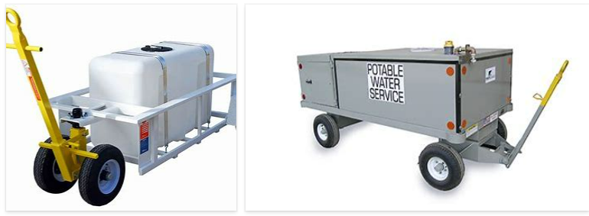
REMOVE | N

PROBLEM_DESC | CAUSE_DESC | REMEDY_DESC
BROKEN/DAMAGED
LEAKING
OTHER PROBLEM
POWER-ELEC
PRESSURE
STOPPED/SLOWED/POOR OPS
TEMP-CTRL
Grand Total

